Total Cost of Ownership Summary
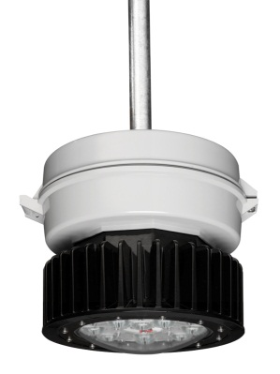

 |  |  |  |  |  | Toll Free: (866) 764-5454 Fax: (315) 477-5179 crouse.customerctr@cooperindustries.com

Customer Name
Champ® VMV LED - ROI Calculator
Energy & Maintenance Savings
Energy Savings |  |  |  |  | 175W MH |  | LED SYSTEM
Annual energy consumption (kWhr) |  |  |  |  | 181,709 |  | 18,346
Annual energy cost ($) |  |  |  |  | 16,354 |  | 1,651
Energy Cost over life of LED System |  |  |  |  | $189,331 |  | $19,115
Air Cooling energy savings due to switching over to LED lighting (Kwhr/yr) |  |  |  |  |  |  | 0
Air Cooling energy savings due to switching over to LED lighting ($/yr) |  |  |  |  |  |  | $0
Annual Energy Savings ($) |  |  |  |  |  |  | $14,703
Energy Savings over Life of the LED System ($) |  |  |  |  |  |  | $170,216

Maintenance Savings |  |  |  |  | 175W MH |  | LED SYSTEM
Years of Maintenance Free Operation |  |  |  |  | 0.9 |  | 11.6
Annual Cost of Replacement Lamps ($) |  |  |  |  | $2,859 |  | $0.00
Annual Fixed Maintenance Costs |  |  |  |  | $0 |  | $0.00
Annual Labor Costs ($) |  |  |  |  | $15,884 |  | $0.00
Annual Maintenance Savings ($) |  |  |  |  |  |  | $18,743
Maintenance Savings over Life of the LED System ($) |  |  |  |  |  |  | $216,988

Total Cost of Ownership Comparison

 |  | 175W MH | LED |  |  | Total $ Savings!
 | Initial Investment | $30,000 | $95,000 |  | Energy Savings: | $170,216
 | Utility Rebate | $0 | ($7,500) |  | Labor & Material Savings: | $216,988
 | Tax Rebate | $0 | ($7,000) |  | Total Savings: | $387,204
 | Net Investment | $30,000 | $80,500 |  | Initial Investment: | ($95,000)
 | Total Lighting Energy Costs | $189,331 | $19,115 |  | Estimated Utility Rebate: | $7,500
 | Incremental Air Cooling Energy Costs | $0 | $0 |  | Estimated Tax Rebate: | $7,000
 | Total Maintenance Costs | $216,988 | $0 |  | Total $ Return: | $306,704
 | Total Cost of Ownership | $436,319 | $99,615

 | Payback Period on the Incremental LED Cost (Years) |  |  |  |  | 1.5
 | Payback Period on the Entire LED Installation (Years) |  |  |  |  | 2.4
Total Cost of Ownership Comparison

 |  |  |  |  |  |  |  | `

Annual ROI
1 | 1
Equivilant Environmental Impact*
Annual ROI
 | 0
CO2 Emissions (lbs): |  | 262,133 |  | Fewer Cars on the Road: |  |  | 23
(tons): |  | 131
 |  |  |  | Acres of Trees Planted: |  |  | 32
Coal Emissions (lbs): |  | 127,249
(tons): |  | 64 |  |  |  | # Housholds Annual Electricity Usage: | 25

*Based on Environmental Protection Agency (EPA) emissions factor assumptions.

