Total Cost of Ownership Summary
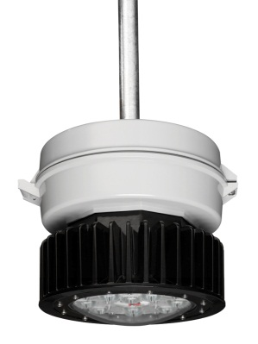

 |  |  |  |  |  | Toll Free: (866) 764-5454 Fax: (315) 477-5179 crouse.customerctr@cooperindustries.com

Customer Name
Champ® PVM LED - ROI Calculator
Energy & Maintenance Savings
Energy Savings |  |  |  |  | 175W MH |  | LED SYSTEM
Annual energy consumption (kWhr) |  |  |  |  | 181,709 |  | 37,346
Annual energy cost ($) |  |  |  |  | 16,354 |  | 3,361
Energy Cost over life of LED System |  |  |  |  | $224,640 |  | $46,170
Air Cooling energy savings due to switching over to LED lighting (Kwhr/yr) |  |  |  |  |  |  | 44,121
Air Cooling energy savings due to switching over to LED lighting ($/yr) |  |  |  |  |  |  | $3,971
Annual Energy Savings ($) |  |  |  |  |  |  | $16,964
Energy Savings over Life of the LED System ($) |  |  |  |  |  |  | $233,015

Maintenance Savings |  |  |  |  | 175W MH |  | LED SYSTEM
Years of Maintenance Free Operation |  |  |  |  | 0.9 |  | 13.7
Annual Cost of Replacement Lamps ($) |  |  |  |  | $2,859 |  | $0.00
Annual Fixed Maintenance Costs |  |  |  |  | $0 |  | $0.00
Annual Labor Costs ($) |  |  |  |  | $16,943 |  | $0.00
Annual Maintenance Savings ($) |  |  |  |  |  |  | $19,802
Maintenance Savings over Life of the LED System ($) |  |  |  |  |  |  | $272,000

Total Cost of Ownership Comparison

 |  | 175W MH | LED |  |  | Total $ Savings!
 | Initial Investment | $30,000 | $63,750 |  | Energy Savings: | $233,015
 | Utility Rebate | $0 | ($7,500) |  | Labor & Material Savings: | $272,000
 | Tax Rebate | $0 | ($7,000) |  | Total Savings: | $505,015
 | Net Investment | $30,000 | $49,250 |  | Initial Investment: | ($63,750)
 | Total Lighting Energy Costs | $224,640 | $46,170 |  | Estimated Utility Rebate: | $7,500
 | Incremental Air Cooling Energy Costs | $54,545 | $0 |  | Estimated Tax Rebate: | $7,000
 | Total Maintenance Costs | $272,000 | $0 |  | Total $ Return: | $455,765
 | Total Cost of Ownership | $581,185 | $95,420

 | Payback Period on the Incremental LED Cost (Years) |  |  |  |  | 0.5
 | Payback Period on the Entire LED Installation (Years) |  |  |  |  | 1.3
Total Cost of Ownership Comparison

 |  |  |  |  |  |  |  | `

Annual ROI
 | 1
Equivilant Environmental Impact*
Annual ROI
 | 0
CO2 Emissions (lbs): |  | 274,844 |  | Fewer Cars on the Road: |  |  | 24
(tons): |  | 137
 |  |  |  | Acres of Trees Planted: |  |  | 34
Coal Emissions (lbs): |  | 133,419
(tons): |  | 67 |  |  |  | # Housholds Annual Electricity Usage: | 26

*Based on Environmental Protection Agency (EPA) emissions factor assumptions.

